Conversion Chart
 |  |  | Easy Conversion Chart: BE3-81O, 81U, 81O/U, 81OT, 81UT, 81OT/UT |  |  |  |  |  |  |  |  |  |  |  |  |  |  | option2a | option2b
 |  |  | To |  |  |  |  |  |  |  |  |  |  |  |  |  |  | N | N
 |  |  | ES-81O, 81U, 81O/U |  |  |  |  |  |  |  |  |  |  |  |  |  |  | A
This simple chart is designed to help you choose the appropriate ES style configuration with the same minimum coverage as your BE3. Just match up the color-coded option boxes on the left with those on the right. Option boxes colored black require no selection. For reference, see the product specification style charts on Page 2. For assistance, contact technical support at 618-654-2341.
Enter your BE3 style configuration below to generate new ES style configuration
From |  |  | BE3 Style Configuration |  |  |  |  | To |  |  | ES Style Configuration

BE3 | Model Number | Sensing Input Type | Nominal Input Type | Frequency | External Power | Output Type |  | ES | Model Number | Sensing Input Type | Nominal Input Type | Timing | Frequency | External Power | Option 1 | Option 2 | Option 3
 | 81O |  |  |  |  |  |  |  | 81O |  |  | A
 | 81OT |  |  |  |  |  |  |  | 81O |  |  | B
 | 81U |  |  |  |  |  |  |  | 81U |  |  | A
 | 81UT |  |  |  |  |  |  |  | 81U |  |  | B
 | 81O/U |  |  |  |  |  |  |  | 81O/U |  |  | A
 | 81OT/UT |  |  |  |  |  |  |  | 81O/U |  |  | B
 |  | 1 |  |  |  |  |  |  |  | 1
 |  |  | A |  |  |  |  |  |  |  | A
 |  |  | B |  |  |  |  |  |  |  | C
 |  |  | C |  |  |  |  |  |  |  | D
 |  |  | D |  |  |  |  |  |  |  | F
 |  |  | S¹ |  |  |  |  |  |  |  | S¹
 |  |  |  | 2² |  |  |  |  |  |  |  |  | na²
 |  |  |  | 3 |  |  |  |  |  |  |  |  | 2
 |  |  |  | 4 |  |  |  |  |  |  |  |  | 3
 |  |  |  |  | N³ |  |  |  |  |  |  |  |  | N³
 |  |  |  |  |  | 1
 |  |  |  |  |  | 2
 |  |  |  |  |  | 3
 |  |  |  |  |  |  |  |  |  |  |  |  |  |  | 0
 |  |  |  |  |  |  |  |  |  |  |  |  |  |  | 2
 |  |  |  |  |  |  |  |  |  |  |  |  |  |  |  | N
 |  |  |  |  |  |  |  |  |  |  |  |  |  |  |  | A5
 |  |  |  |  |  |  |  |  |  |  |  |  |  |  |  |  | 0
Enter your current BE3 configuration:
BE3 |  | 1 |  |  | N |  |  | ES |  | 1 |  |  |  | N |  | N | 0

1 | For other nominal voltages, contact Basler Electric.
2 | Frequency must be 50 or 60 Hz for ES. 400 Hz units not available.
3 | External Power is not required for ES. No selection necessary.
4 | If Timing selection is A, then Option 1 selection must be 2. If Timing selection B, then Option 1 selection must be 0.
5 | Option 2 selection A not available.
6 | ES-81O, 81U, 81O/U wiring terminals are in identical pin-out positions as previous BE3 wiring terminals. Connection diagrams are shown on Page 3 and in Instruction Manual 9500100996.

 |  |  |  | Sample Style Configuration Conversion
 |  |  |  |  |  |  | BE3-81O, 81U, 81O/U, |  | ES-81O, 81U, or 81O/U
 |  |  |  |  |  |  | 81OT, 81UT, 81OT/81UT
 |  |  |  |  | Model Number, 81UT |  | 81UT |  | 81U | Model Number, 81U
 |  |  |  |  | Sensing Input Type, Single Phase |  | 1 |  | 1 | Sensing Input Type, Single Phase
 |  |  |  |  | Nominal Input Type, 120 Vac |  | A |  | A | Nominal Input Type, 120 Vac
 |  |  |  |  | Frequency, 60 Hz |  | 4 |  | B | Timing, Adjustable, 0 to 20 seconds
 |  |  |  |  | External Power, None |  | N |  | 3 | Frequency, 60 Hz
 |  |  |  |  | Output, De-energize To Trip (81UT) |  | 2 |  | N | External Power, Not required
 |  |  |  |  |  |  |  |  | 0 | Option 1, None
 |  |  |  |  |  |  |  |  | N | Option 2, None
 |  |  |  |  |  |  |  |  | 0 | Option 3, None

Some options for the ES have been preselected in the above guide. To insure accuracy, please verify your style configuration using the ES style chart on page 2, referencing Instruction Manual 9500100996 or contacting Technical Support.
BE3-81O, BE3-81U, BE3-81O/U Style Number Identification Chart
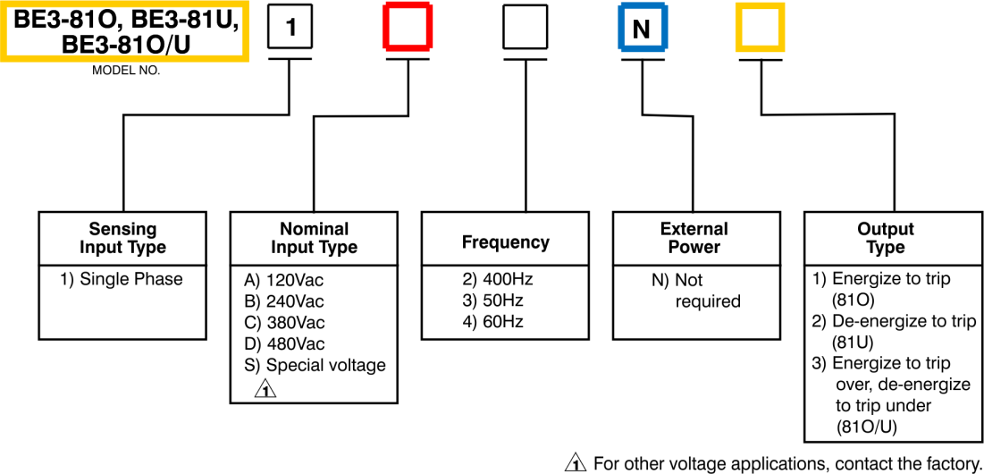

BE3-81OT, BE3-81UT, BE3-81OT/UT Style Number Identification Chart
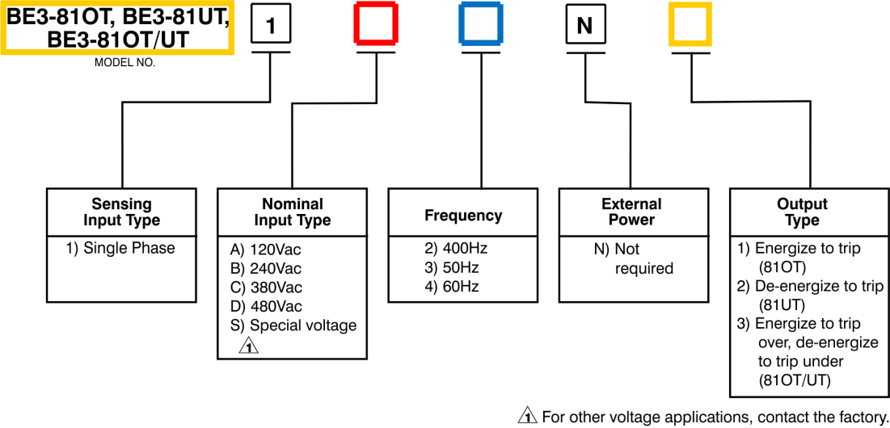

ES-81O, ES-81U, ES-81O/U Style Number Identification Chart
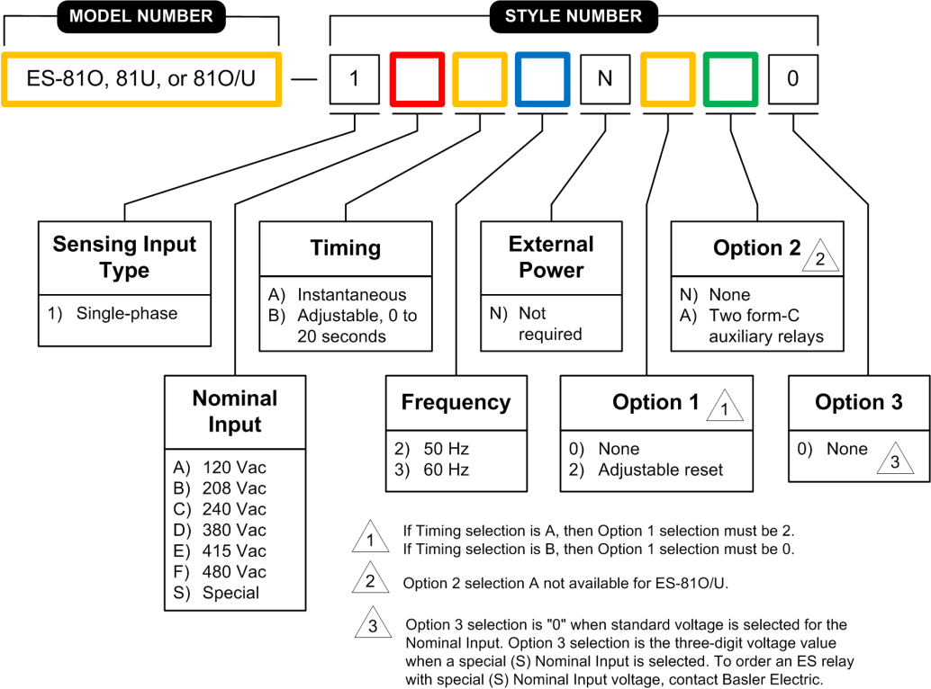

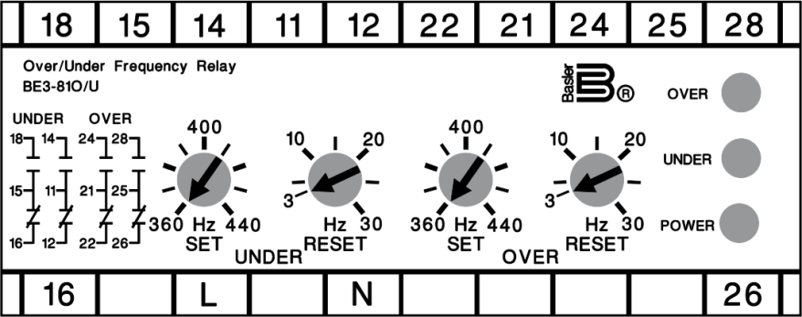
BE3-81O/U Connection Diagram

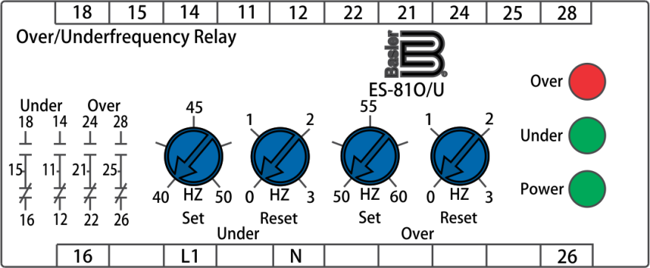
ES-81O/U Connection Diagram

